Sheet1
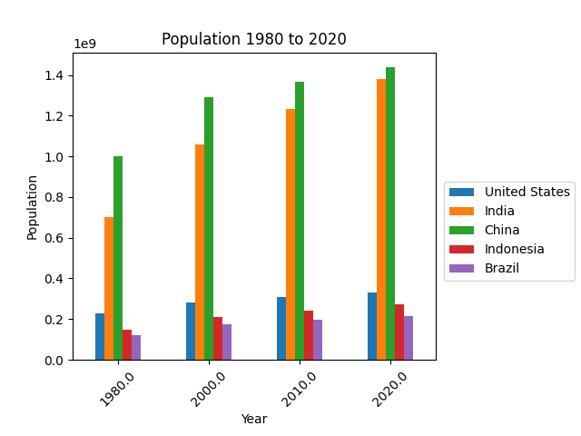
year | United States | India | China | Indonesia | Brazil
1980 | 229476354 | 698952844 | 1000089235 | 147447836 | 120694009
2000 | 281710909 | 1056575549 | 1290550765 | 211513823 | 174790340
2010 | 309011475 | 1234281170 | 1368810615 | 241834215 | 195713635
2020 | 331002651 | 1380004385 | 1439323776 | 273523615 | 212559417

